Easy Task
 | Viewing Order: Table 1 -> 2 -> 3 -> 4 -> 5

 |  | Training Configuration of Basic VAE
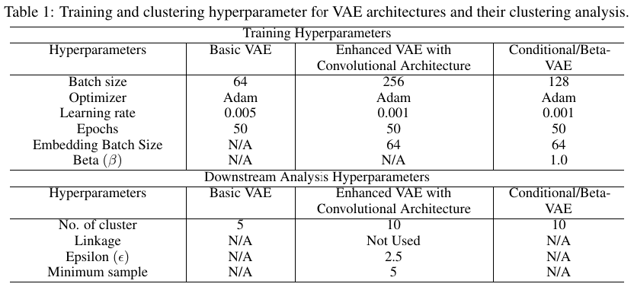

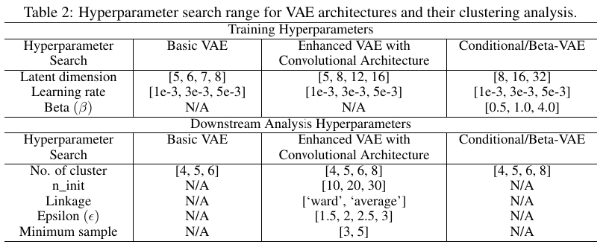

Table: 1 |  |  | Table: 2
 |  | Results of Basic VAE

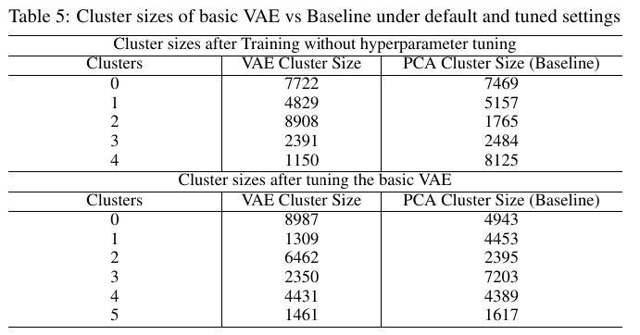

 | Table: 3

 |  |  | Table: 5

 | Table: 4

Medium Task
 |  | Viewing Order: Table 1 -> 2 -> 10 -> 11 -> 12 -> 13 -> 14

 | Training Configuration of Enhanced VAE with Convolutional Architecture (ConvVAE)

 |  |  |  |  | Table: 2
Table: 1 |  |  | Results Summary of ConvVAE

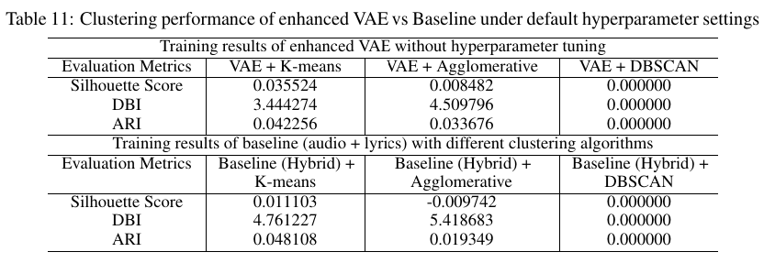

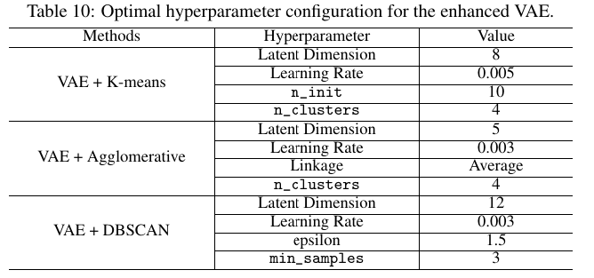

 |  |  |  | Table: 11

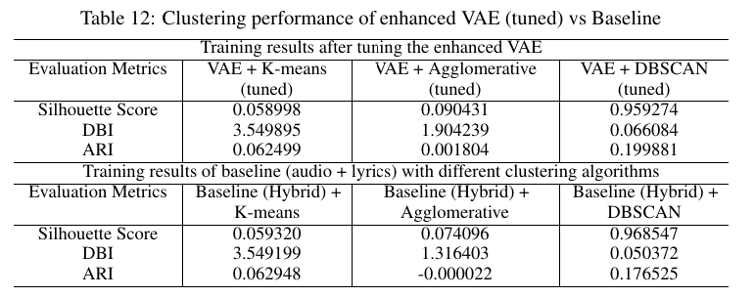
 | Table: 10

 |  |  |  | Table: 12

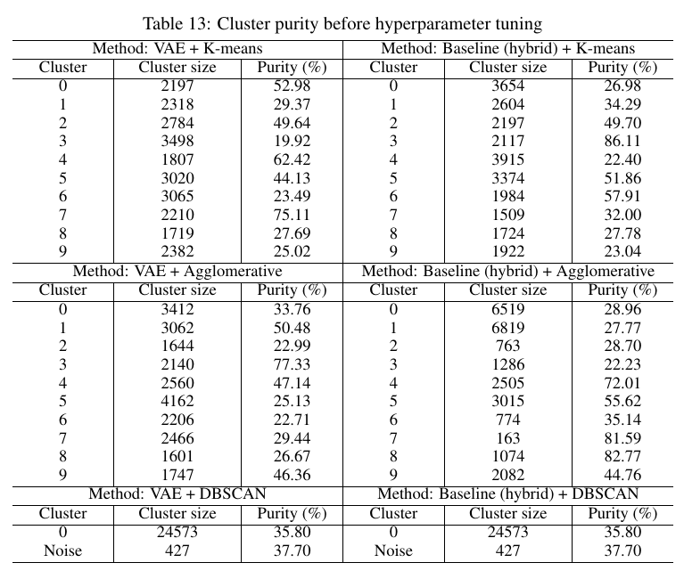
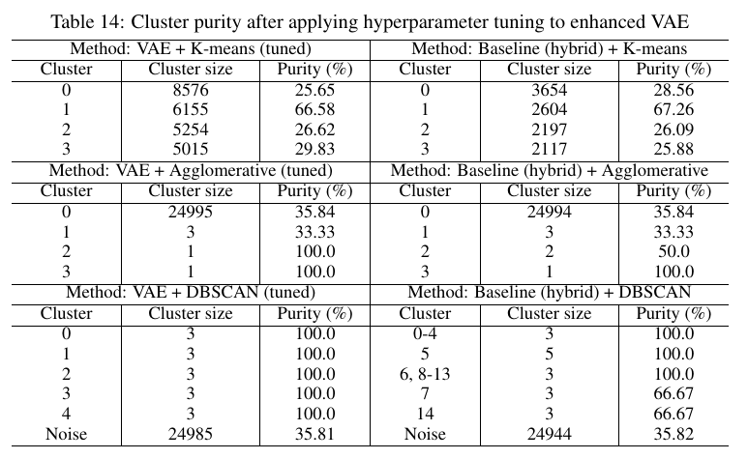

 |  |  |  |  | Table: 14

 | Table: 13

Hard Task
 | Viewing Order: Table 1 -> 2 -> 17 -> 18 -> 19 -> 20 -> 21

 |  | Training Configuration of CVAE/ Beta-VAE

Table: 1 |  |  |  |  | Table: 2
 |  |  | Results Summary of CVAE/Beta-VAE

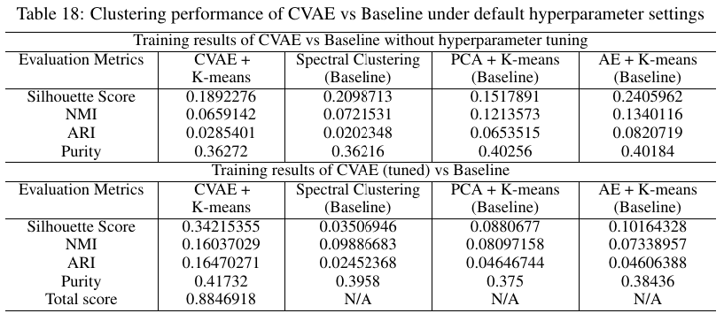

 | Table: 17

 |  |  |  | Table: 18

 | Table: 19

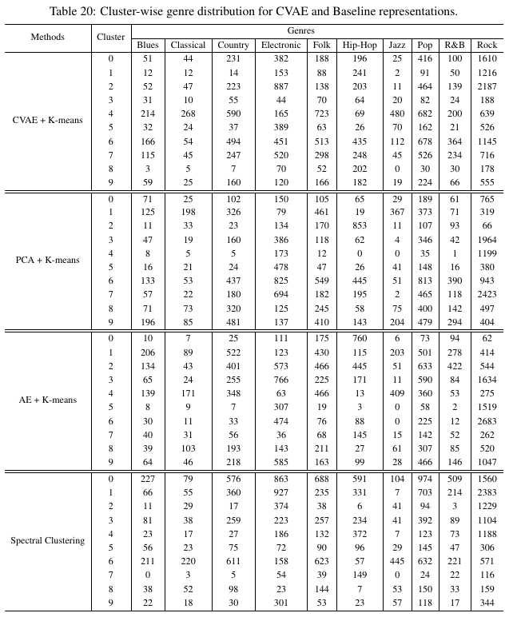

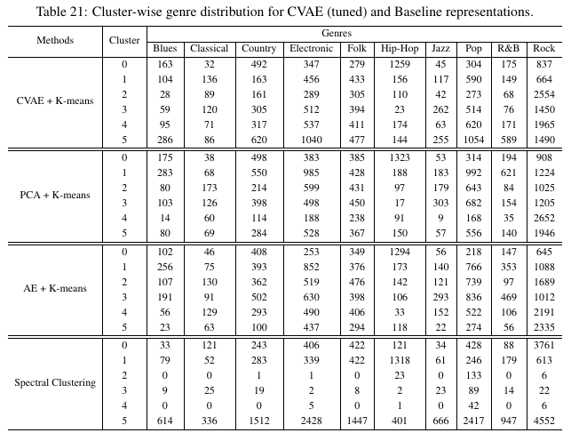

 |  |  |  |  | Table: 21

 | Table:20

